SNR Main
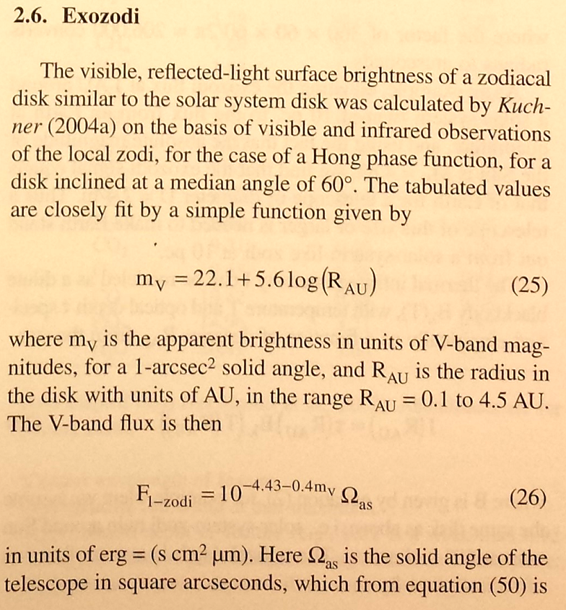
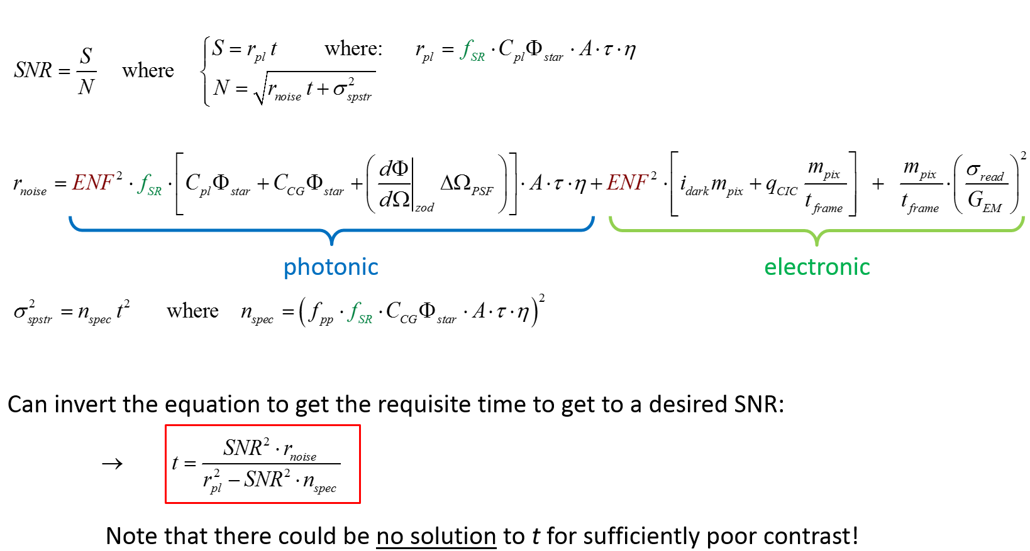
SNR and Required Integration Times for AFTA Coronagraph Cameras

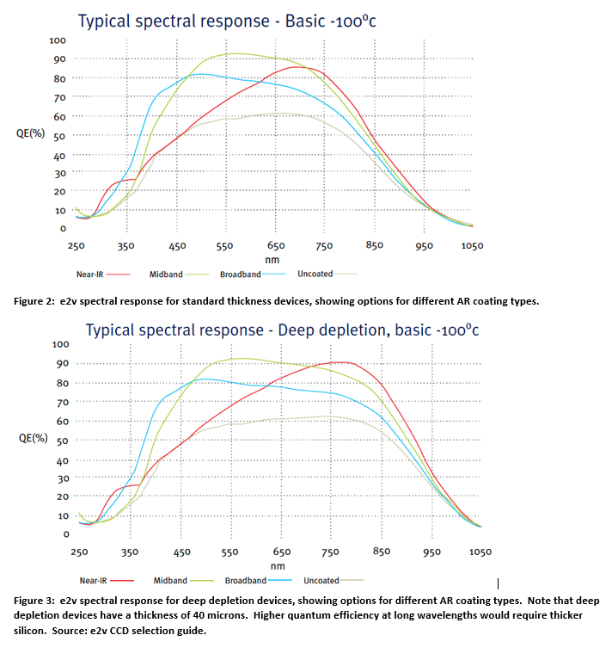
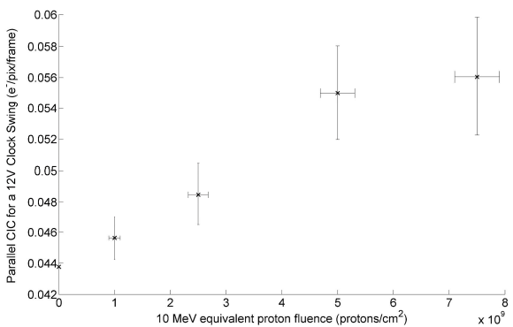
Science Instrument |  | Imaging |  |  | Single Scenario SNR calculation |  |  |  |  | Performance Characteristics of the Various Coronagraph Architectures
 |  |  |  |  |  | SNR Check | 5 | SNR | calculate
Planet Candidate |  | 14 | From RV list |  |  | Signal | 8.4E+01 | e |  | Working Angle | 5.6 | l/D | from planet characteristics
 |  |  |  |  |  | Noise | 1.7E+01 | e (rss) |  | Pointing Jitter | 0.4 | mas |  | Nspec | 7 | spectral elements
 |  |  |  |  |  | shotNoise | 1.3E+01 | e, s.dev | signal shot noise |  |  |  |  | IFS_samp | 9 | lenslets/(lam/D)
SNR Target |  | 5 |  | photometric SNR |  | speckleNoise | 5.3E+00 | e, s.dev | <sp> shot noise | Detector Focal Plane |  |  |  |  |  |  | f_SR
 | SNR ROI area | 4.9 | pixels | mpix |  | zodi | 8.0E+00 | e, s.dev | zodi shot | Focal Plane | Area (pix) | Width | Height | shape | SNR Target | SNR pixels | Light fract.
 | ROI Light Fraction | 1.00 | in SNR ROI | f_SR |  | darkCurrNoise | 4.0E+00 | e, s.dev |  | IFS | 28 | 14 | 2 | streak | 5 | 36.0 | 0.143
 |  |  |  |  |  | CICnoise | 1.8E+00 | e, s.dev |  | Imaging | 4.91 | 2.5 | 2.5 | circle | 5 | 4.91 | 1.0
 |  |  | 55.704205676 | Frames |  | readNoise | 2.0E+00 | e, s.dev
Required Integ Time |  | 1.7E+04 | s | 55.7 |  | Speckle Structure | 1.4E+00 | e, s.dev | residual Speckle | Imaging Detector Options
 |  | 4.64 | hr | signal e/pix/fr |  |  |  |  |  | Option | CCD | EMCCD | PC EMCCD |  | Frame time analog mode
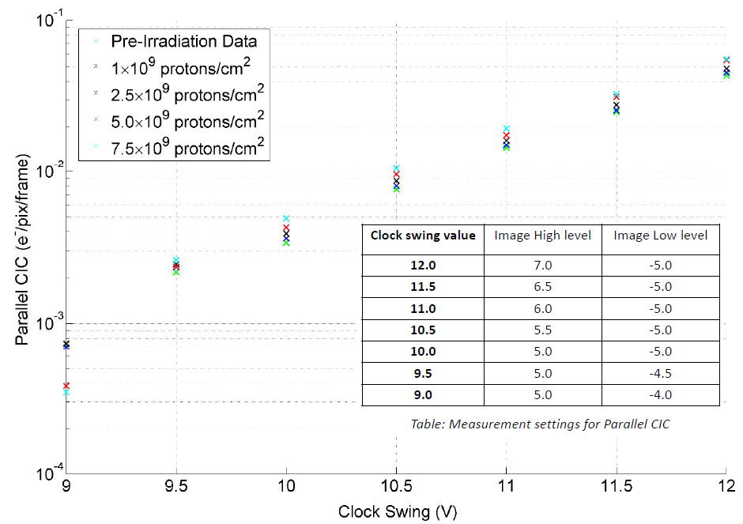
 |  | 0.1934 | days | 0.31 | Planet Candidate |  | value | units | Comments | Read Noise (e-) | 3 | 60 | 60 |  | 300 | sec
 |  |  |  |  |  | Host Star | 47Uma |  |  | EM Gain | 1 | 500 | 500 | 0.12
Telescope |  | value | units | Comments |  | Spec Type | G1V |  |  | ENF | 1 | 1.41 | 1 |  | Frame time PC mode
 | Col Diam | 2.4 | m |  |  | Vmag | 5.04 | mag |  | Frame Rate (fps) | 0.003 | 0.003 | 0.01 |  | 100 | sec
 | Sec. Obsc. frac. | 30% | of diam |  |  | Distance | 14.06 | pc
 | Center l | 5.50E-07 | m | V-band ctr. |  | Photon Flux | 5.75E+07 | ph/(s*m2) |  | Coronagraph Options | HLC | PIAA | SPC
 | Bandwidth | 10% |  | V-band is 16.18% |  |  |  |  |  |  | 4.70E-10 | 2.35E-09 | 9.45E-09
 | Diffraction Limit | 2.20E-07 | rad | FWHM on sky (l/D) |  | Planet Properties |  |  |  | Core Throughput | 0.0286 | 0.1544 | 0.0273
 | Spec Resolution | 70 | R |  |  | Planet Contrast | 2.86E-09 |  |  | PSF Core Size (as^2) | 2.01E-03 | 1.5E-03 | 2.7E-03
 | Col. Area | 4.117 | m^2 |  |  | Pl. working ang. | 5.64 | l/D |  | Occulter Transm. | 0.27 | 0.67 | 1.00
 | Tel. transmission | 64.5% |  | 15 surfaces @ 97% |  | Radius | 12.66 | R_Earth
 | Filter trans. | 90% |  |  |  | Mass | 0.54 | M_Jup |  | Signal and Noise
 | polarizer trans. | 50% |  |  |  | Semimajor Axis | 3.6 | AU |  | Planet photon flux | 2.7E-02 | 1.4E-01
 | Tot. Throughput | 0.8% |  |  |  | Albedo | 0.4 | a
 |  |  |  |  |  | Eccentricity | 0.1 | e
Coronagraph |  | HLC | Type |  |  | pl. separation | 0.26 | arcsec
 | Pointing Jitter | 0.4 | mas |  |  | Planet elec rate | 5.05E-03 | e/s
 | Contrast | 4.6952E-10
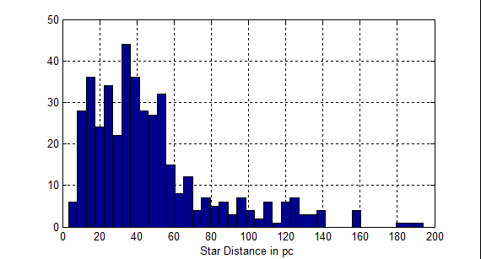
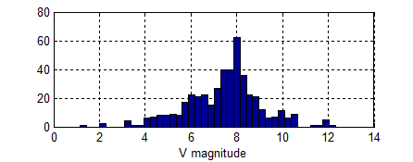
 | Core Throughput | 0.029 |  |  | Zodi Noise
 | PSF Core Size | 0.00201 | as^2 |  |  | Local Zodi | 22 | mag/as^2 | brightness density
 |  |  |  |  |  | exo+local factor | 2 |  | (loc+exo) / loc
Detector Architecture |  | EMCCD | Type | drop-down |  | Flux per solid ang. | 1.3E+12 | ph/s/m2/rad2 | inc. exo zodi
 | read noise | 60 | e | 0.12 |  | Zodi elec rate | 1.9E-03 | e/s
 | EM gain | 500 | X
 | Excess Noise Fac. | 1.41 | ENF | Robbins 2003, w/ N=200 | Speckle
 | Frame Rate | 0.0033 | Hz | Wes used 300s |  | Photon Flux | 2.7E-02 | ph/(s*m2)
 | Dark current | 1.00E-04 | e/pix/s | in NIMO at min Temp |  | Speckle elec rate | 8.3E-04 | e/s | mean rate
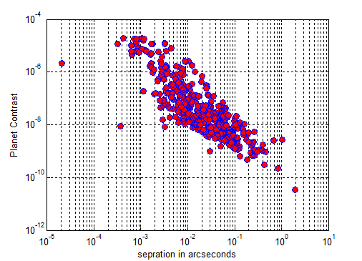
 | Clock Ind. Charge | 6.00E-03 | e/pix/fr | CIC: ni=1e-4 im=3e-6 |  | Struct. suppression | 10% | f_pp | supp. in post-proc.
 | Quantum Eff. | 90% | QE |  |  | Speckle ph rate | 9.2E-04 | ph/s
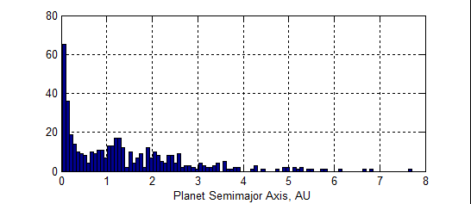
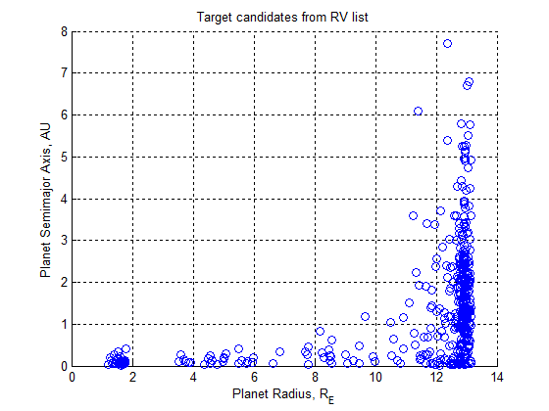
Noise rate n_tot
 | 0.017 | e/s | all but Speck.struc.

 |  |  |  | 9,14
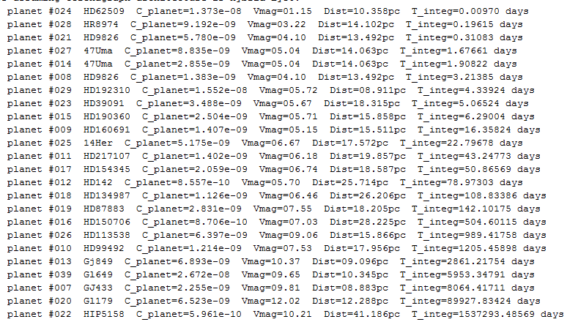

Use matlab to determine the planets that can actually be seen and use their parameters

Constants
Constants and Tables

 | 0 mag Photon Rates per spectral band (P. Lena and Joint Astronomy Centre Website) |  |  |  |  |  |  |  | Physical Constants
 | Band | l (mm) | Dl (mm) | E0 W m-2 mm-1 | Phot sec-1 m-2 mm-1 | Phot sec-1 cm-2 nm-1 | Photons sec-1 m-2 | a =log10(E0) | h | 6.63E-34 | J-s | Plank constant
 | U | 0.36 | 0.068 | 4.35E-08 | 7.88E+10 | 7.88E+03 | 5.36E+09 | -7.36 | c | 3.00E+08 | m/s | speed of light
 | B | 0.44 | 0.098 | 7.20E-08 | 1.59E+11 | 1.59E+04 | 1.56E+10 | -7.14 | q | 1.60E-19 | C | electron charge
 | V | 0.55 | 0.089 | 3.92E-08 | 1.09E+11 | 1.09E+04 | 9.66E+09 | -7.41 | k | 1.38E-34 | J/K | Boltzmann constant
 | R | 0.70 | 0.220 | 1.76E-08 | 6.20E+10 | 6.20E+03 | 1.36E+10 | -7.75
 | VIS | 0.80 | 0.200 | 1.21E-08 | 4.87E+10 | 4.87E+03 | 9.75E+09 | -7.92 | Astronomical Constants
 | I | 0.90 | 0.240 | 8.30E-09 | 3.76E+10 | 3.76E+03 | 9.03E+09 | -8.08 | R_E | 6.37E+06 | m | radius of the Earth
 | Y | 1.05 | 0.200 | 5.72E-09 | 3.02E+10 | 3.02E+03 | 6.05E+09 | -8.24 | AU | 1.50E+11 | m | Astronomical Unit
 | J | 1.26 | 0.260 | 3.40E-09 | 2.16E+10 | 2.16E+03 | 5.61E+09 | -8.47 | pc | 3.09E+16 | m
 | H | 1.64 | 0.330 | 1.18E-09 | 9.74E+09 | 9.74E+02 | 3.21E+09 | -8.93 | w_azim | 7.27E-05 | rad/sec | azimuthal angular velocity at geosync
 | K | 2.18 | 0.440 | 3.90E-10 | 4.28E+09 | 4.28E+02 | 1.88E+09 | -9.41
 | L | 3.40 | 0.550 | 7.30E-11 | 1.25E+09 | 1.25E+02 | 6.87E+08 | -10.14 | Units of Spectial Interest
 | M | 5.00 | 0.300 | 2.12E-11 | 5.34E+08 | 5.34E+01 | 1.60E+08 | -10.67 | arcsec | 4.85E-06 | rad
 | N | 10.20 | 5.000 | 1.23E-12 | 6.32E+07 | 6.32E+00 | 3.16E+08 | -11.91 | deg | 1.75E-02 | rad
 | Q | 21.00 | 8.000 | 6.80E-14 | 7.19E+06 | 7.19E-01 | 5.75E+07 | -13.17 | hr | 3600 | sec
 | "Observational Astrophysics", P. Lena, pp. 91 |  |  |  |  |  |  |  | min | 60 | sec
 | http://www.jach.hawaii.edu/UKIRT/astronomy/calib/phot_cal/conver.html |  |  |  |  |  |  |  | uas | 4.85E-12 | rad
 |  |  |  |  |  |  |  |  | erg | 1.00E-07 | J
 | *Note: flux paramter a allows smooth interpolation of flux for arbitrary bands:
 | E0 = 10^a and E(mag) = 10^(a - 0.4*mag) in W/m2/um |  |  |  |  |  |  |  | Zodiacal Light brightness (Astrophysical Quantities 4th ed. p. 329)
 |  |  |  |  |  |  |  |  | zodi (anti sun ecliptic) | 180 | #10mag stars/deg^2
 |  |  |  |  |  |  |  |  | zodi(90deg ecliptic) | 202 | #10mag stars/deg^2
 | lambda | mag | E(mag) |  |  |  |  |  | zodi (anti-sun, 75 deg lat) | 56 | #10mag stars/deg^2
 | 0.55 | 0 | 9659679210.5
 |  |  |  |  |  |  |  |  | Choose 'typical' Zodi | 200 | #10mag stars/deg^2

 |  |  |  |  |  |  |  |  |  |  |  |  | 1.05 | -8.2426039712
 |  |  |  |  |  |  |  |  |  |  |  |  | 1.26 | -8.468521083
 |  |  |  |  |  |  |  |  |  |  |  |  | 1.64 | -8.9281179927
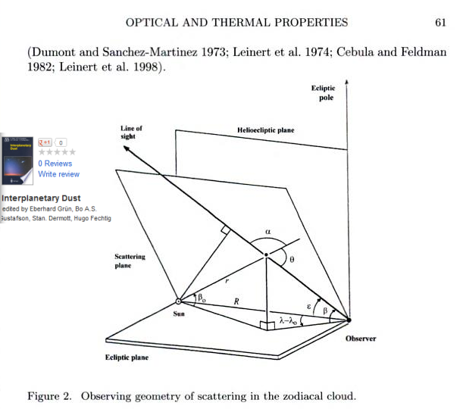
 |  |  |  |  |  |  |  |  |  |  |  |  | 2.18 | -9.408935393
 |  |  |  |  |  |  |  |  |  |  |  |  | 3.4 | -10.13667714
 |  |  |  |  |  |  |  |  |  |  |  |  | 5 | -10.673664139
 |  |  |  |  |  |  |  |  |  |  |  |  | 10.2 | -11.910094889
 |  |  |  |  |  |  |  |  |  |  |  |  | 21 | -13.167491087

